README
4/3/2026 Introduction The Family Planning Annual Report (FPAR) 2.0 Data Elements with valid values table contains all data elements that have been identified by the Office of Population Affairs (OPA) for FPAR 2.0 collection and reporting by Title X Grant recipients. No new data elements have been added. Valid values for data elements may change to follow standard terminology updates and EHR standards. This page provides an overview of the content found on each tab of the file, and instructions for using this document to facilitate FPAR 2.0 data collection and reporting. Grant recipients should reference the latest version (April 2026) of the 2026 FPAR 2.0 Valid Values file for FPAR 2.0 data collection and reporting. Further details can be found in the DE Change log tab of this file. For additional information about FPAR 2.0, please visit the FPAR 2.0 page on the OPA website at:
https://opa.hhs.gov/research-evaluation/title-x-services-research/family-planning-annual-report/fpar2
Background Data Elements There are 41 data elements for the 2026 FPAR (data submitted in 2027). The tabs in this file display the data elements, accompanied by their respective standard terminology code system, references for their supporting value set, and codes where available. This technical document provides electronic health record (EHR) vendors and IT departments standard codes to support precise data identification and reporting.
Standard Terminologies Standard terminologies represent concepts to support interoperable exchange of data in an unambiguous manner. There are several standard terminologies used to support FPAR reporting and to provide a way to identify and exchange FPAR data. The main terminologies used for FPAR reporting are listed below. - Logical Observation Identifiers Names and Codes (LOINC) – Consists of codes for lab tests and observations made on patients and populations. - Systematic Nomenclature of Medicine Clinical Terms (SNOMED CT) - Consists of concepts, terms, and relationships that enable effective representation of clinical information, such as test results, and responses for questions. - Source of Payment Typology (SOP) – Consists of codes to identify types of payment for health services
Data Elements and Response Options (Valid Values) Data elements represent discrete concepts for data that is captured and reported. Each data element has corresponding response options (or valid values). Data elements and response options can be exchanged using codes from one or more standard terminologies. This file displays FPAR data elements and relevant response options for reporting.
How to use the workbook | blank
The information below explains content within each tab of this workbook. This document supplements information in the FPAR Implementation Guide (https://opa.hhs.gov/research-evaluation/title-x-services-research/family-planning-annual-report/fpar2#guide) and User Guide (available in the FPAR 2.0 system: https://fpar.opa.hhs.gov/auth/signin). | blank
Tab Name | Description
README | The README tab provides background on the purpose of the file, defines important terminology, provides instructions on how to navigate the file, descriptions of each tab in the file, and descriptions for each column in the "DEs with valid values" tab.
DEs with valid values | The DEs with valid values tab displays the valid value for each data element, along with its data element number, long common name, date element code, LOINC code description, valid value code system, and valid value code description. The tab also indicates whether a missing value is allowed and whether a value is a transition value.
DE Change log | The DE Change log documents updates to the valid values, and also includes information such as the data element number, long common name, LOINC data element code and LOINC code description.
FAQs | The FAQs tab displays frequently asked questions regarding the FPAR valid values.
End of table | blank
Columns in "DEs with valid values" tab | Description
Data element number (Column A) | This column contains the index number attached to each of the data elements requested for the FPAR. Each data element is attached to a unique number.
FPAR 2.0 data element (long common name) (Column B) | This column identifies and names each of the elements to be reported. The names directly correspond to the LOINC Long Common Name (LCN). The LCN is the human readable name that accompanies each LOINC term. Please note that for the following data elements, the data element name used in the FPAR 2.0 data element with valid values file are different from the LCN of the code. In these instances, the name in the FPAR 2.0 data element column is modified in an effort to apply user friendly terms applicable to family planning.
FPAR 2.0 data element (long common name) (Column B) | 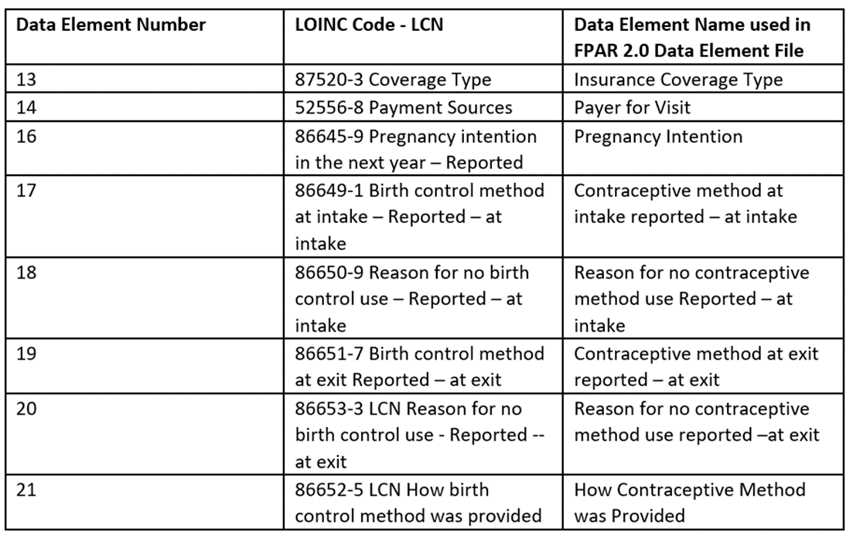 There is a table with 9 rows and three columns. The first column shows the data element number and lists data elements number 13 through 21. The Second column shows the LOINC Codes for each of these data elements. The Third column shows the data element name used in the FPAR 2.0 Data element file.
FPAR 2.0 data element (long common name) (Column B) | More specific information about the term is available through its multi-part LOINC Fully-Specified Name (FSN), found on the webpage linked from the ‘LOINC data element code’ column of each data element. We have chosen the use of the LCN because it is more easily understood by a wider audience. Often, the FSN is harder to interpret but provides much more detail about what is being observed.
LOINC data element code (if available) (Column C) | Where available, the codes listed and linked to in this column correspond to the data elements named in Column B. These codes are for computer readability and removes ambiguity when producing the annual reports. For more information on reporting, please refer to the Implementation Guide: https://opa.hhs.gov/research-evaluation/title-x-services-research/family-planning-annual-report/fpar2#guide
LOINC code description (Column D) | Where available, this column provides a description for each data element. This description has been pulled directly from the published standard terminology code system, most often LOINC. These descriptions help to provide further information regarding the intended use of the code in data collection and reporting.
Missing valid value allowed (Column E) | For each data element, this column indicates whether missing values are accepted by the FPAR 2.0 system.
Transition value (Column F) | This column indicates values that will eventually be phased out but can still be reported for each data element. All values marked with an "X" will eventually be phased out to better align FPAR data with industry standard coding practices. OPA has not determined a final date for accepting the transition values.
Valid value code system (Column G) | This column lists the standard terminology system where the listed data element and code are located. For more information, refer to the section on Standard Terminologies above.
Valid value (Column H) | This column indicates the code or value considered valid for the corresponding data element available for FPAR reporting. Please note all valid values marked with an "X" in Column F will eventually be phased out and no longer accepted for FPAR.
Valid value code description (Column I) | This column lists descriptions for the valid code or value found in Column H. Some data elements may be quantitative and will have a numerical value reported. In this case, ‘Not applicable’ is listed. Valid values may represent possible answers or result values for more than one data element. For example, some laboratory test data elements require the answers 'Yes' or 'Not performed', both of which are also valid response options for other data elements.
Laboratory Test results | Grant recipients are expected to report test results for Pap tests, HPV tests, Chlamydia tests, Gonorrhea tests, HIV tests, and Syphilis tests. For each of these tests, grant recipients are expected to report the most appropriate valid value to identify the result associated with each test.
A Note on ‘Not Applicable’ and ‘–’ throughout | 'Not Applicable' (NA) is utilized in instances where it is not possible to have that information made available (i.e., not all terms will have an answer list; some are open responses). A '-' is utilized in instances where that information could be made available but is not (i.e., all terms could have a description but not all have one available in LOINC).
End of worksheet

